Fog_1983
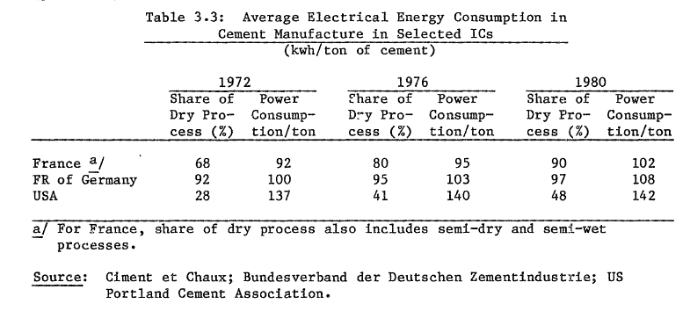
Fog & Nadkarni (1983) - Energy Efficiency and Fule Substitution in the Cement Industry with Emphasis on Developing Countries
http://documents1.worldbank.org/curated/en/163771467989543614/pdf/WTP17000Energy0developing0countries.pdf

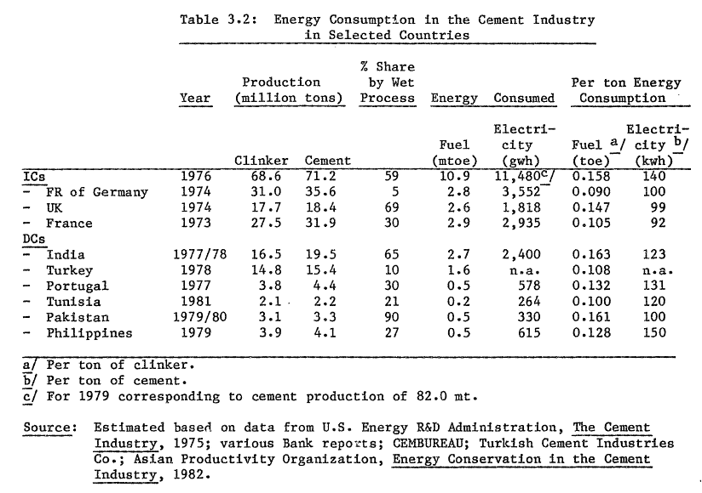
Table 3.2
Year | Country | Energy Intensity [toe/ton] | Energy Intensity [GJ/ton]
1976 | DEU | 0.09 | 3.76812
1974 | GBR | 0.147 | 6.154596
1973 | FRA | 0.105 | 4.39614
1977 | IND | 0.163 | 6.824484
1978 | TUR | 0.108 | 4.521744
1977 | PRT | 0.132 | 5.526576
1981 | TUN | 0.1 | 4.1868
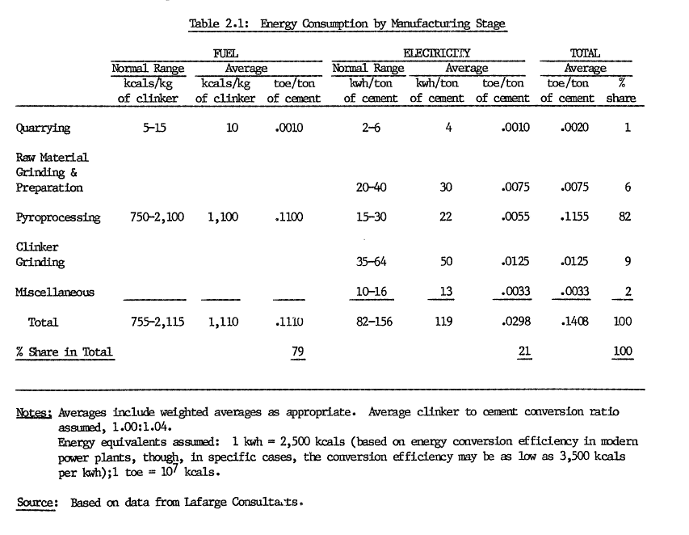
1979 | PAK | 0.161 | 6.740748
1979 | PHL | 0.128 | 5.359104

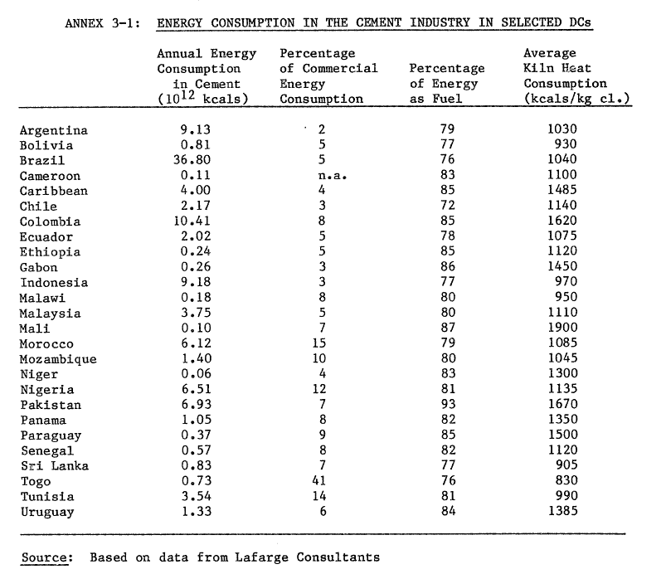
Annexe 3.1
Year | Country | Energy Intensity [kcals/kg] | Energy Intensity [GJ/ton]
1980 | ARG | 1030 | 4.326
1980 | BOL | 930 | 3.906
1980 | BRA | 1040 | 4.368
1980 | CMR | 1100 | 4.62
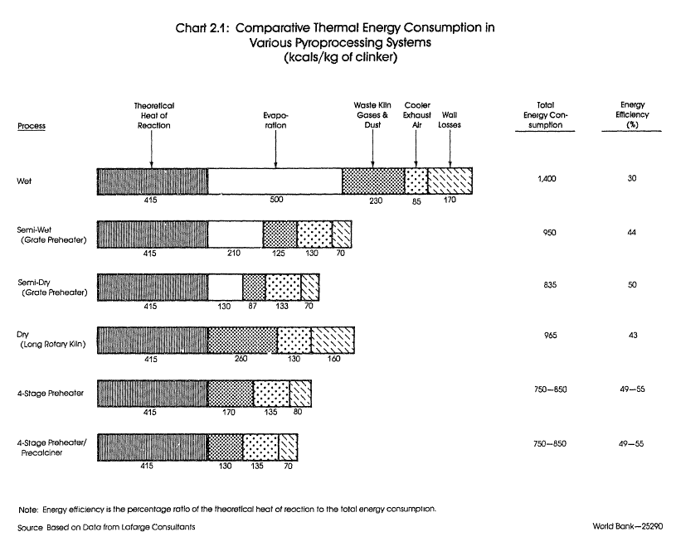
1980 | Carribbean | 1485 | 6.237
1980 | CHL | 1140 | 4.788
1980 | COL | 1620 | 6.804
1980 | ECU | 1075 | 4.515
1980 | ETH | 1120 | 4.704
1980 | GAB | 1450 | 6.09
1980 | IDN | 970 | 4.074
1980 | MWI | 950 | 3.99
1980 | MYS | 1110 | 4.662
1980 | MLI | 1900 | 7.98
1980 | MAR | 1085 | 4.557
1980 | MOZ | 1045 | 4.389
1980 | NER | 1300 | 5.46
1980 | NGA | 1135 | 4.767
1980 | PAK | 1670 | 7.014
1980 | PAN | 1350 | 5.67
1980 | PRY | 1500 | 6.3
1980 | SEN | 1120 | 4.704
1980 | LKA | 905 | 3.801
1980 | TGO | 830 | 3.486
1980 | TUN | 990 | 4.158
1980 | URY | 1385 | 5.817
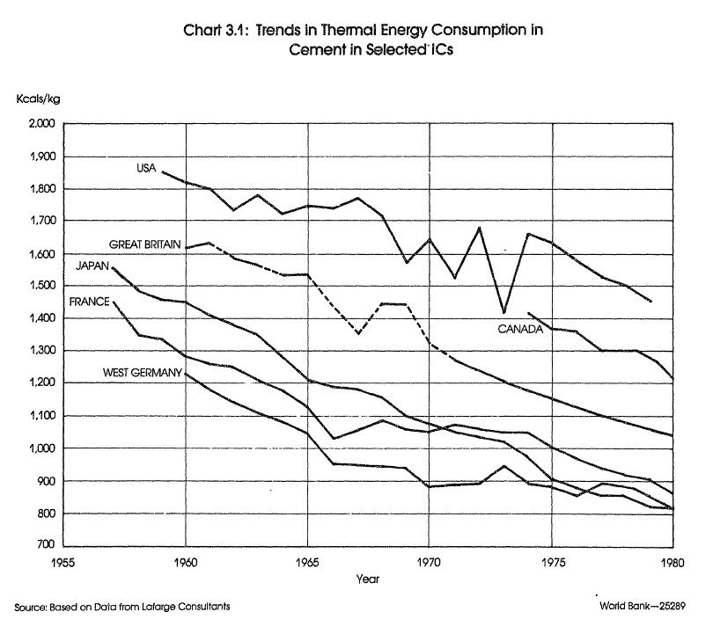
 |  |  |  | Chart 3.1
 |  |  |  |  | Energy Intensity [kcals/kg] |  |  |  |  |  | Energy Intensity [GJ/ton]
 |  |  |  | Year | USA | CAN | GBR | JPN | FRA | DEU | USA | CAN | GBR | JPN | FRA | DEU
 |  |  |  | 1955
 |  |  |  | 1956
 |  |  |  | 1957 |  |  |  | 1555 | 1451 |  |  |  |  | 6.53 | 6.09
 |  |  |  | 1958 |  |  |  | 1499 | 1350 |  |  |  |  | 6.30 | 5.67
 |  |  |  | 1959 | 1849 |  | 1623 | 1464 | 1339 |  | 7.77 |  | 6.82 | 6.15 | 5.62
 |  |  |  | 1960 | 1814 |  | 1629 | 1453 | 1284 | 1227 | 7.62 |  | 6.84 | 6.10 | 5.39 | 5.15
 |  |  |  | 1961 | 1796 |  | 1634 | 1407 | 1260 | 1186 | 7.54 |  | 6.86 | 5.91 | 5.29 | 4.98
 |  |  |  | 1962 | 1737 |  | 1581 | 1374 | 1249 | 1153 | 7.30 |  | 6.64 | 5.77 | 5.25 | 4.84
 |  |  |  | 1963 | 1781 |  | 1566 | 1374 | 1208 | 1118 | 7.48 |  | 6.58 | 5.77 | 5.07 | 4.70
 |  |  |  | 1964 | 1726 |  | 1533 | 1352 | 1177 | 1090 | 7.25 |  | 6.44 | 5.68 | 4.94 | 4.58
 |  |  |  | 1965 | 1746 |  | 1531 | 1299 | 1136 | 1044 | 7.33 |  | 6.43 | 5.46 | 4.77 | 4.38
 |  |  |  | 1966 | 1741 |  | 1435 | 1214 | 1033 | 956 | 7.31 |  | 6.03 | 5.10 | 4.34 | 4.02
 |  |  |  | 1967 | 1772 |  | 1363 | 1188 | 1066 | 952 | 7.44 |  | 5.72 | 4.99 | 4.48 | 4.00
 |  |  |  | 1968 | 1722 |  | 1446 | 1185 | 1090 | 943 | 7.23 |  | 6.07 | 4.98 | 4.58 | 3.96
 |  |  |  | 1969 | 1578 |  | 1444 | 1153 | 1063 | 936 | 6.63 |  | 6.06 | 4.84 | 4.46 | 3.93
 |  |  |  | 1970 | 1650 |  | 1325 | 1102 | 1055 | 890 | 6.93 |  | 5.56 | 4.63 | 4.43 | 3.74
 |  |  |  | 1971 | 1527 |  | 1273 | 1078 | 1076 | 890 | 6.41 |  | 5.35 | 4.53 | 4.52 | 3.74
 |  |  |  | 1972 | 1676 |  | 1242 | 1052 | 1059 | 890 | 7.04 |  | 5.22 | 4.42 | 4.45 | 3.74
 |  |  |  | 1973 | 1418 |  | 1207 | 1039 | 1052 | 953 | 5.96 |  | 5.07 | 4.36 | 4.42 | 4.00
 |  |  |  | 1974 | 1661 | 1418 | 1177 | 1023 | 1055 | 896 | 6.98 | 5.96 | 4.94 | 4.30 | 4.43 | 3.76
 |  |  |  | 1975 | 1630 | 1365 | 1150 | 975 | 1009 | 883 | 6.85 | 5.73 | 4.83 | 4.10 | 4.24 | 3.71
 |  |  |  | 1976 | 1575 | 1359 | 1128 | 905 | 974 | 857 | 6.61 | 5.71 | 4.74 | 3.80 | 4.09 | 3.60
 |  |  |  | 1977 | 1531 | 1298 | 1098 | 881 | 954 | 896 | 6.43 | 5.45 | 4.61 | 3.70 | 4.01 | 3.76
 |  |  |  | 1978 | 1501 | 1302 | 1074 | 859 | 921 | 879 | 6.30 | 5.47 | 4.51 | 3.61 | 3.87 | 3.69
 |  |  |  | 1979 | 1452 | 1260 | 1056 | 864 | 906 | 848 | 6.10 | 5.29 | 4.44 | 3.63 | 3.81 | 3.56
 |  |  |  | 1980 |  | 1217 | 1039 | 820 | 871 | 820 |  | 5.11 | 4.36 | 3.44 | 3.66 | 3.44

DOE_2017
DOE (2017) - Bandwidth Study on Energy Use and Potential Energy Savings pportunities in U.S. Cement Manufacturing | Theoretical Minimum [Btu/lb] | Theoretical Minimum [GJ/ton]
https://www.energy.gov/eere/amo/downloads/bandwidth-study-us-cement-manufacturing | 481 | 1.12
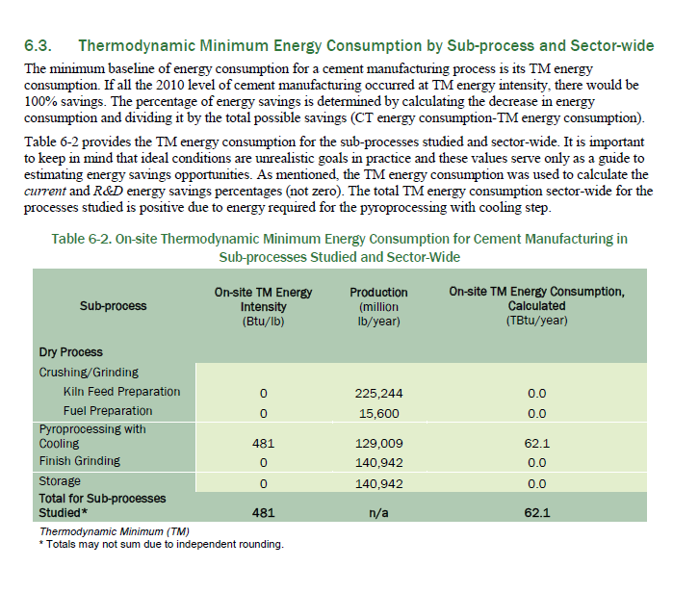

 | kJ/ton | Btu/lb
 | 2326.000292 | 1

 | kJ | GJ
 | 1 | 1.00E-06

 | GJ/ton | Btu/lb
 | 2.33E-03 | 1

Taylor_2006
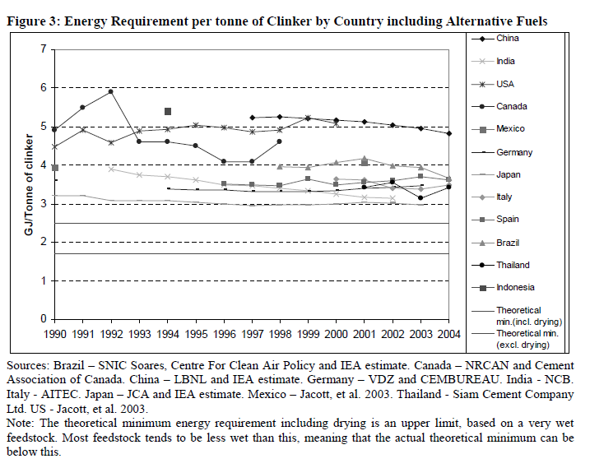
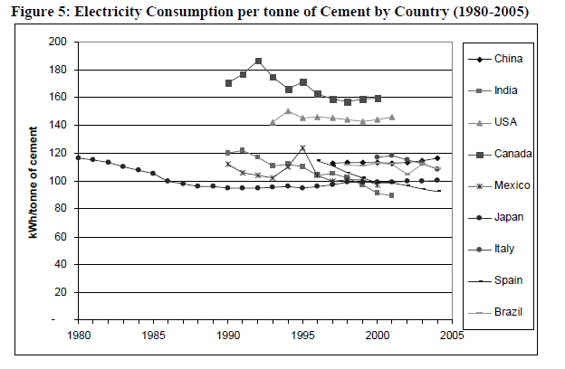
https://www.researchgate.net/publication/237232402_Energy_Efficiency_and_CO2_Emissions_from_the_Global_Cement_Industry

Song_2019
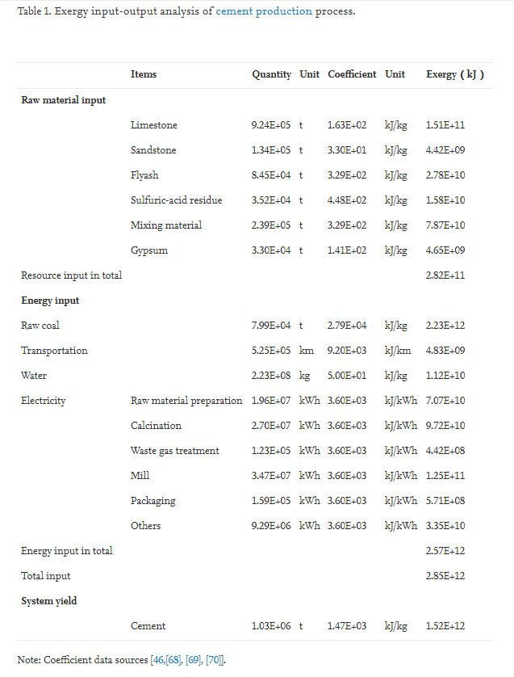
Song et al (2019) - Extended exergy accounting for a typical cement industry in China
https://www.sciencedirect.com/science/article/pii/S0360544219304104?casa_token=sbtvvo3R2pQAAAAA:GEG_K1sL0jT7fcLhHVHB7GoyG1fYY9xFkXgQ4-iB8zHCFdKEp8x0NxSZWGLgObImXS1Wdbwk

Jochem_2000
Jochen (2000) - World Energy Assessment energy and the challenge of sustainability
https://www.undp.org/content/undp/en/home/librarypage/environment-energy/sustainable_energy/world_energy_assessmentenergyandthechallengeofsustainability.html

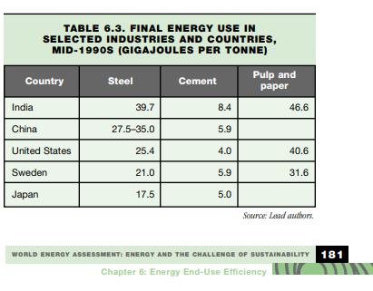
 |  | Energy Intensity [GJ/ton]
Year | Country | Steel | Cement | Pulp and paper
1995 | IND | 39.7 | 8.4 | 46.6
1995 | CHN | 31.25 | 5.9
1995 | USA | 25.4 | 4 | 40.6
1995 | SWE | 21 | 5.9 | 31.6
1995 | JPN | 17.5 | 5

Energy intensity values seem to include all energy use, not just thermal energy use in clinker production

Sargsyan_2008
Sargsyan & Gorbatenko (2008) - Energy Efficiency in Russia Untapped Reserves
https://documents.worldbank.org/en/publication/documents-reports/documentdetail/573971468107682519/energy-efficiency-in-russia-untapped-reserves
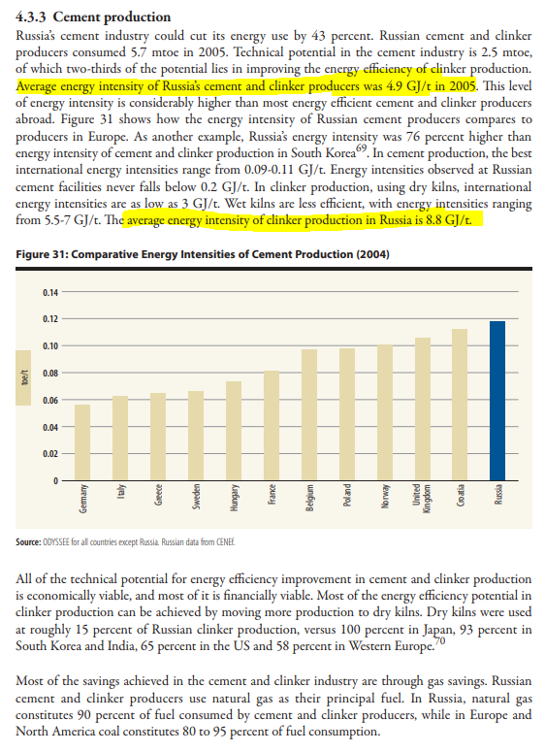
Year | Machine | Energy Intensity [GJ/ton]
2005 | Cement & Clinker producers? | 4.9
2005 | Clinker kilns | 8.8

IndianMOP_2015
Indian Ministry of Power (2015) - Cement
https://beeindia.gov.in/sites/default/files/Cement.pdf

Year | Machine | Plant | Number of Plants | Energy Intensity min [kcal/kg] | Energy Intensity max [kcal/kg] | Energy Intensity [kcal/kg] | Energy Intensity [GJ/ton] | Energy Consumption [toe] | Energy Consumption [%] | Weighted Mean Energy Intensity [GJ/ton]
2010 | Clinker Kiln | PPC | 55 | 658.00 | 1074.02 | 866.01 | 3.62 | 10292843.98 | 68.57%
2010 | Clinker Kiln | OPC | 16 | 727.33 | 1000.94 | 864.14 | 3.62 | 3295349.39 | 21.95%
2010 | Clinker Kiln | PSC | 7 | 701.02 | 1207.71 | 954.37 | 3.99 | 932008.50 | 6.21%
2010 | Clinker Kiln | White Cement | 2 | 1093.72 | 1279.66 | 1186.69 | 4.97 | 105566.28 | 0.70%
2010 | Clinker Kiln | Wet Cement | 2 | 1026.67 | 1415.07 | 1220.87 | 5.11 | 152403.63 | 1.02%
2010 | Clinker Kiln | Weighted mean | 82 |  |  | 889.66 | 3.72 | 88211.17 | 0.59%
2010 | Clinker Kiln | Clinkerization only | 1 |  |  | 869.33 | 3.64 | 143790.37 | 0.96%
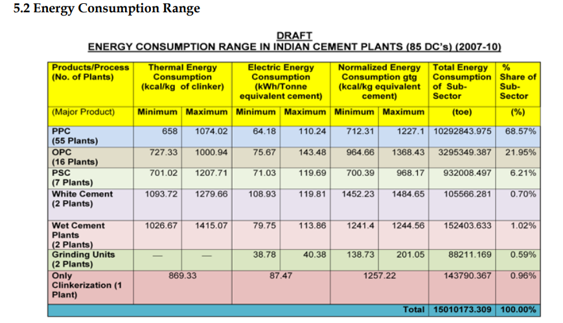
 |  |  |  |  |  |  |  | 15010173.31 |  | 3.671422297

Meyers_1993
Meyers et al (1993) - Energy Use in Poland, 1970-1991 Sectoral Analysis and International Comparison
https://www.osti.gov/biblio/10182246
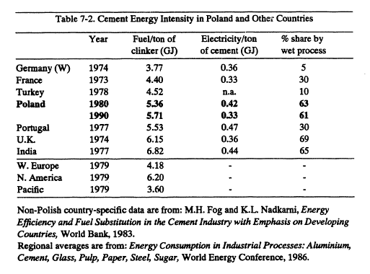
See Sheet Fog_1993

Worrell_2013
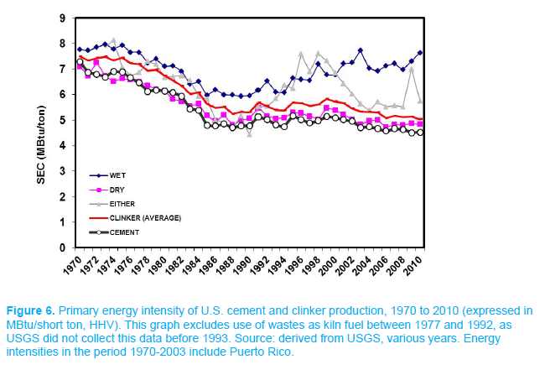
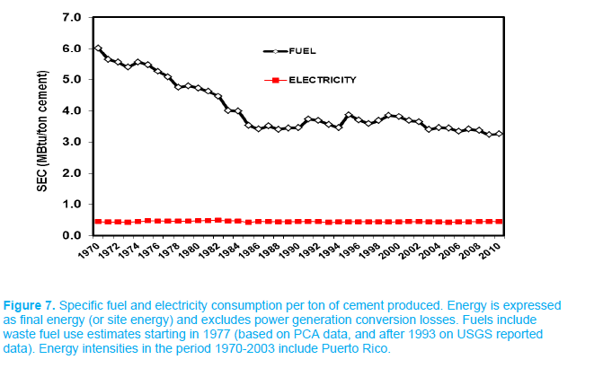
Worrell et al (2013) - Energy Efficiency Improvement and Cost Saving Opportunities for Cement Making
https://www.researchgate.net/profile/Katerina_Kermeli3/publication/270888849_Energy_Efficiency_Improvement_and_Cost_Saving_Opportunities_for_Cement_Making_An_ENERGY_STARR_Guide_for_Energy_and_Plant_Managers/links/54b7c68a0cf28faced607056/Energy-Efficiency-Improvement-and-Cost-Saving-Opportunities-for-Cement-Making-An-ENERGY-STARR-Guide-for-Energy-and-Plant-Managers.pdf

ChemEnergy
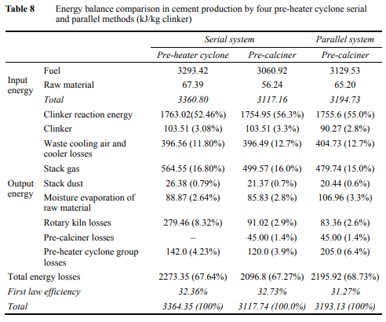
Savas & Kolip (2015) - Comparative energy and exergy analyses of a serial and parallel flow four-stage cyclone pre-calciner cement plant
https://www.inderscienceonline.com/doi/abs/10.1504/IJEX.2015.071562

Aguilera_2015
METALLIC MATERIALS

Energy |  |  |  |  |  |  |  |  |  |  |  | Non-Renewable Energy (NRE)

Direct energy requirements (MJ/kg) |  |  |  |  |  |  |  |  |  |  |  | Direct NRE (MJ/kg)
 | 1,910 | 1,920 | 1,930 | 1,940 | 1,950 | 1,960 | 1,970 | 1,980 | 1,990 | 2,000 | 2,010 |  | 1,910 | 1,920 | 1,930 | 1,940 | 1,950 | 1,960 | 1,970 | 1,980 | 1,990 | 2,000 | 2,010
Pig iron | 48.0 | 41.0 | 35.8 | 32.5 | 31.0 | 23.1 | 20.0 | 19.0 | 16.0 | 16.0 | 16.0 | Pig iron | 48.0 | 41.0 | 35.8 | 32.5 | 31.0 | 23.1 | 20.0 | 19.0 | 16.0 | 16.0 | 16.0
Steel (machin.) | 49.1 | 41.9 | 36.6 | 33.2 | 31.7 | 23.6 | 20.5 | 19.4 | 16.4 | 16.4 | 16.4 | Steel (machin.) | 49.1 | 41.9 | 36.6 | 33.2 | 31.7 | 23.6 | 20.5 | 19.4 | 16.4 | 16.4 | 16.4
Steel (irrig.) |  |  | 50.8 | 45.4 | 42.5 | 34.7 | 29.4 | 27.3 | 23.5 | 22.3 | 22.3 | Steel (irrig.) |  |  | 50.8 | 45.4 | 42.5 | 34.7 | 29.4 | 27.3 | 23.5 | 22.3 | 22.3
Chromium steel |  |  | 131.2 | 114.6 | 104.0 | 97.5 | 80.1 | 71.6 | 63.8 | 55.9 | 55.9 | Chromium steel |  |  | 131.2 | 114.6 | 104.0 | 97.5 | 80.1 | 71.6 | 63.8 | 55.9 | 55.9
Lead |  | 29.3 | 25.0 | 21.8 | 19.8 | 18.6 | 15.3 | 13.7 | 12.2 | 10.7 | 10.7 | Lead |  | 29.3 | 25.0 | 21.8 | 19.8 | 18.6 | 15.3 | 13.7 | 12.2 | 10.7 | 10.7
Aluminium |  |  | 110.5 | 100.4 | 92.4 | 82.9 | 76.6 | 63.6 | 58.0 | 54.7 | 54.7 | Aluminium
Other metals |  | 70.8 | 60.5 | 52.8 | 48.0 | 44.9 | 36.9 | 33.0 | 29.4 | 25.8 | 25.8 | Other metals |  | 70.8 | 60.5 | 52.8 | 48.0 | 44.9 | 36.9 | 33.0 | 29.4 | 25.8 | 25.8

Indirect energy requirements (MJ/kg) |  |  |  |  |  |  |  |  |  |  |  | Indirect NRE (MJ/kg)
 | 1,910 | 1,920 | 1,930 | 1,940 | 1,950 | 1,960 | 1,970 | 1,980 | 1,990 | 2,000 | 2,010 |  | 1,910 | 1,920 | 1,930 | 1,940 | 1,950 | 1,960 | 1,970 | 1,980 | 1,990 | 2,000 | 2,010
Pig iron | 21.3 | 18.2 | 15.9 | 14.4 | 13.8 | 10.3 | 8.9 | 8.4 | 7.1 | 7.1 | 7.1 | Pig iron | 13.6 | 12.9 | 11.4 | 10.5 | 11.1 | 9.1 | 8.5 | 8.2 | 7.0 | 7.0 | 7.0
Steel (machin.) | 21.8 | 18.6 | 16.3 | 14.8 | 14.1 | 10.5 | 9.1 | 8.6 | 7.3 | 7.3 | 7.3 | Steel (machin.) | 13.4 | 12.6 | 11.2 | 10.3 | 10.9 | 8.9 | 8.3 | 8.1 | 6.9 | 6.9 | 6.9
Steel (irrig.) |  |  | 22.6 | 20.2 | 18.9 | 15.4 | 13.1 | 12.1 | 10.4 | 9.9 | 9.9 | Steel (irrig.) |  |  | 15.5 | 14.1 | 14.6 | 13.1 | 12.0 | 11.3 | 9.9 | 9.4 | 9.4
Chromium steel |  |  | 58.3 | 50.9 | 46.2 | 43.3 | 35.5 | 31.8 | 28.3 | 24.8 | 24.8 | Chromium steel |  |  | 40.0 | 35.7 | 35.7 | 36.7 | 32.6 | 29.8 | 26.8 | 23.6 | 23.6
Lead |  | 13.0 | 11.1 | 9.7 | 8.8 | 8.2 | 6.8 | 6.1 | 5.4 | 4.7 | 4.7 | Lead |  | 8.9 | 7.7 | 6.9 | 6.9 | 7.1 | 6.3 | 5.7 | 5.1 | 4.5 | 4.5
Aluminium |  |  | 429.4 | 289.7 | 204.8 | 113.9 | 103.8 | 99.1 | 92.9 | 91.5 | 87.5 | Aluminium |  |  | 528.7 | 381.7 | 283.7 | 179.6 | 159.8 | 147.0 | 139.6 | 136.8 | 131.7
Other metals |  | 31.4 | 26.9 | 23.4 | 21.3 | 19.9 | 16.4 | 14.7 | 13.0 | 11.4 | 11.4 | Other metals |  | 21.3 | 18.4 | 16.4 | 16.5 | 16.9 | 15.0 | 13.7 | 12.3 | 10.9 | 10.9

Total embodied energy (MJ/kg) |  |  |  |  |  |  |  |  |  |  |  | Total NRE (MJ/kg)
 | 1,910 | 1,920 | 1,930 | 1,940 | 1,950 | 1,960 | 1,970 | 1,980 | 1,990 | 2,000 | 2,010 |  | 1,910 | 1,920 | 1,930 | 1,940 | 1,950 | 1,960 | 1,970 | 1,980 | 1,990 | 2,000 | 2,010
Pig iron | 69.3 | 59.2 | 51.7 | 46.9 | 44.8 | 33.4 | 28.9 | 27.4 | 23.1 | 23.1 | 23.1 | Pig iron | 61.6 | 53.9 | 47.2 | 43.0 | 42.1 | 32.2 | 28.5 | 27.2 | 23.0 | 23.0 | 23.0
Steel (machin.) | 70.9 | 60.5 | 52.9 | 48.0 | 45.8 | 34.1 | 29.5 | 28.1 | 23.6 | 23.6 | 23.6 | Steel (machin.) | 62.4 | 54.5 | 47.8 | 43.6 | 42.6 | 32.5 | 28.8 | 27.5 | 23.2 | 23.3 | 23.3
Steel (irrig.) |  |  | 73.3 | 65.6 | 61.4 | 50.1 | 42.4 | 39.4 | 33.9 | 32.2 | 32.2 | Steel (irrig.) |  |  | 66.3 | 59.6 | 57.2 | 47.8 | 41.3 | 38.6 | 33.3 | 31.7 | 31.7
Chromium steel |  |  | 189.5 | 165.4 | 150.2 | 140.7 | 115.6 | 103.5 | 92.1 | 80.7 | 80.7 | Chromium steel |  |  | 171.2 | 150.2 | 139.7 | 134.2 | 112.6 | 101.4 | 90.5 | 79.5 | 79.5
Lead |  | 42.3 | 36.1 | 31.5 | 28.6 | 26.8 | 22.0 | 19.7 | 17.5 | 15.4 | 15.4 | Lead |  | 38.2 | 32.7 | 28.7 | 26.7 | 25.6 | 21.5 | 19.4 | 17.3 | 15.2 | 15.2
Aluminium |  |  | 540.0 | 390.1 | 297.2 | 196.9 | 180.4 | 162.7 | 150.8 | 146.2 | 142.2 | Aluminium |  |  | 528.7 | 381.7 | 283.7 | 179.6 | 159.8 | 147.0 | 139.6 | 136.8 | 131.7
Other metals |  | 102.2 | 87.3 | 76.2 | 69.2 | 64.9 | 53.3 | 47.7 | 42.4 | 37.2 | 37.2 | Other metals |  | 92.1 | 78.9 | 69.2 | 64.4 | 61.9 | 51.9 | 46.7 | 41.7 | 36.6 | 36.6

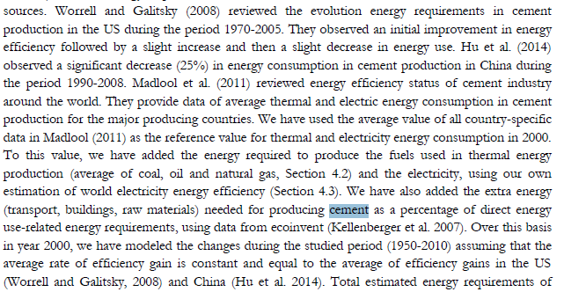
NON-METALLIC MATERIALS

Energy |  |  |  |  |  |  |  |  |  |  |  | Non-Renewable Energy (NRE)

Direct energy requirements (MJ/kg) |  |  |  |  |  |  |  |  |  |  |  | Direct NRE (MJ/kg)
 |  |  | 1,930 | 1,940 | 1,950 | 1,960 | 1,970 | 1,980 | 1,990 | 2,000 | 2,010 |  |  |  | 1,930 | 1,940 | 1,950 | 1,960 | 1,970 | 1,980 | 1,990 | 2,000 | 2,010
Construction |  |  |  |  |  |  |  |  |  |  |  | Construction
Cement |  |  | 10.2 | 9.0 | 7.9 | 7.0 | 6.1 | 5.4 | 4.8 | 4.2 | 3.7 | Cement |  |  | 10.2 | 8.9 | 7.9 | 6.9 | 6.1 | 5.4 | 4.7 | 4.2 | 3.7
Concrete |  |  | 1.5 | 1.4 | 1.2 | 1.1 | 1.0 | 0.9 | 0.8 | 0.8 | 0.7 | Concrete |  |  | 1.4 | 1.3 | 1.2 | 1.1 | 1.0 | 0.9 | 0.8 | 0.8 | 0.7
Reinforced concrete |  |  | 4.0 | 3.3 | 2.7 | 2.2 | 1.9 | 1.8 | 1.5 | 1.5 | 1.4 | Reinforced concrete |  |  | 3.9 | 3.2 | 2.6 | 2.1 | 1.9 | 1.8 | 1.5 | 1.5 | 1.4
Other |  |  |  |  |  |  |  |  |  |  |  | Other
Glass |  |  |  |  | 19.8 | 16.7 | 14.0 | 11.8 | 9.9 | 8.3 | 7.0 | Glass |  |  |  |  | 19.8 | 16.6 | 13.9 | 11.7 | 9.8 | 8.3 | 7.0

Indirect energy requirements (MJ/kg) |  |  |  |  |  |  |  |  |  |  |  | Indirect NRE (MJ/kg)
 |  |  | 1,930 | 1,940 | 1,950 | 1,960 | 1,970 | 1,980 | 1,990 | 2,000 | 2,010 |  |  |  | 1,930 | 1,940 | 1,950 | 1,960 | 1,970 | 1,980 | 1,990 | 2,000 | 2,010
Construction |  |  |  |  |  |  |  |  |  |  |  | Construction
Cement |  |  | 3.6 | 3.2 | 2.8 | 2.5 | 2.2 | 1.9 | 1.7 | 1.5 | 1.3 | Cement |  |  | 2.3 | 2.0 | 2.0 | 1.9 | 1.8 | 1.7 | 1.5 | 1.3 | 1.2
Concrete |  |  | 0.3 | 0.2 | 0.2 | 0.1 | 0.1 | 0.1 | 0.0 | 0.0 | 0.0 | Concrete |  |  | 0.2 | 0.1 | 0.1 | 0.1 | 0.1 | 0.1 | 0.0 | 0.0 | 0.0
Reinforced concrete |  |  | 1.0 | 1.0 | 1.1 | 1.2 | 1.2 | 0.7 | 0.6 | 0.5 | 0.3 | Reinforced concrete |  |  | 0.6 | 0.7 | 0.8 | 0.9 | 1.0 | 0.6 | 0.5 | 0.5 | 0.3
Other |  |  |  |  |  |  |  |  |  |  |  | Other
Glass |  |  |  |  | 6.2 | 4.3 | 3.9 | 3.8 | 3.6 | 3.5 | 3.3 | Glass |  |  |  |  | 5.3 | 3.6 | 3.3 | 3.3 | 3.2 | 3.1 | 2.9

Total embodied energy (MJ/kg) |  |  |  |  |  |  |  |  |  |  |  | Total NRE (MJ/kg)
 |  |  | 1,930 | 1,940 | 1,950 | 1,960 | 1,970 | 1,980 | 1,990 | 2,000 | 2,010 |  |  |  | 1,930 | 1,940 | 1,950 | 1,960 | 1,970 | 1,980 | 1,990 | 2,000 | 2,010
Plastics |  |  |  |  |  |  |  |  |  |  |  | Plastics
Polyethylene (PE) |  |  |  |  | 264.7 | 205.8 | 160.0 | 124.4 | 96.7 | 75.2 | 58.5 | Polytethyle (PE) |  |  |  |  | 262.0 | 203.7 | 158.3 | 123.1 | 95.7 | 74.4 | 57.8
PVC |  |  |  | 192.2 | 164.2 | 140.4 | 120.0 | 102.5 | 87.6 | 74.9 | 64.0 | PVC |  |  |  | 190.1 | 162.5 | 138.9 | 118.7 | 101.5 | 86.7 | 74.1 | 63.3
PVC-O |  |  |  |  |  |  |  |  | 102.8 | 87.9 | 75.1 | PVC-O |  |  |  |  |  |  |  |  | 101.8 | 87.0 | 74.3
Pexiglass |  |  |  |  | 314.6 | 260.5 | 215.8 | 178.7 | 148.0 | 122.6 | 101.5 | Pexiglass |  |  |  |  | 311.2 | 257.8 | 213.5 | 176.8 | 146.4 | 121.3 | 100.4
Construction |  |  |  |  |  |  |  |  |  |  |  | Construction
Cement |  |  | 13.8 | 12.2 | 10.7 | 9.5 | 8.3 | 7.4 | 6.5 | 5.7 | 5.0 | Cement |  |  | 12.4 | 11.0 | 9.8 | 8.8 | 7.9 | 7.0 | 6.2 | 5.5 | 4.8
Concrete |  |  | 1.8 | 1.6 | 1.4 | 1.2 | 1.1 | 1.0 | 0.9 | 0.8 | 0.7 | Concrete |  |  | 1.6 | 1.4 | 1.3 | 1.2 | 1.1 | 1.0 | 0.9 | 0.8 | 0.7
Reinforced concrete |  |  | 5.0 | 4.3 | 3.8 | 3.4 | 3.1 | 2.5 | 2.2 | 2.0 | 1.7 | Reinforced concrete |  |  | 4.5 | 3.8 | 3.4 | 3.1 | 2.9 | 2.4 | 2.1 | 1.9 | 1.7
Other |  |  |  |  |  |  |  |  |  |  |  | Other
Glass |  |  |  |  | 26.0 | 21.0 | 17.9 | 15.6 | 13.5 | 11.8 | 10.3 | Glass |  |  |  |  | 25.0 | 20.2 | 17.2 | 15.0 | 13.0 | 11.4 | 9.8

Madlool_2011
Madlool et al (2011) - A critical review on energy use and savings in the cement industries
https://www.sciencedirect.com/science/article/abs/pii/S1364032111000207?via%3Dihub

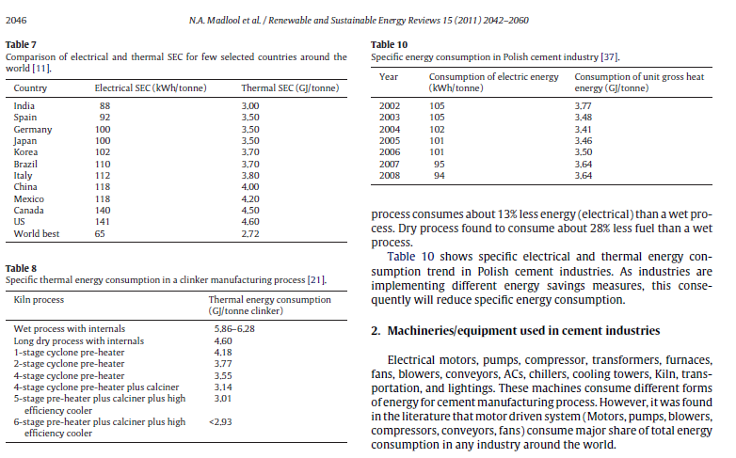
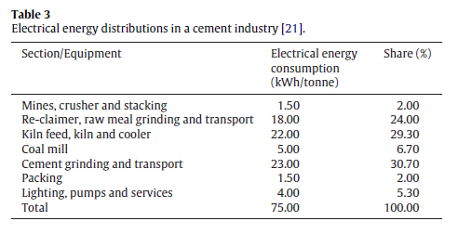
Table 7 data from Gielen & Taylor

Manufacture
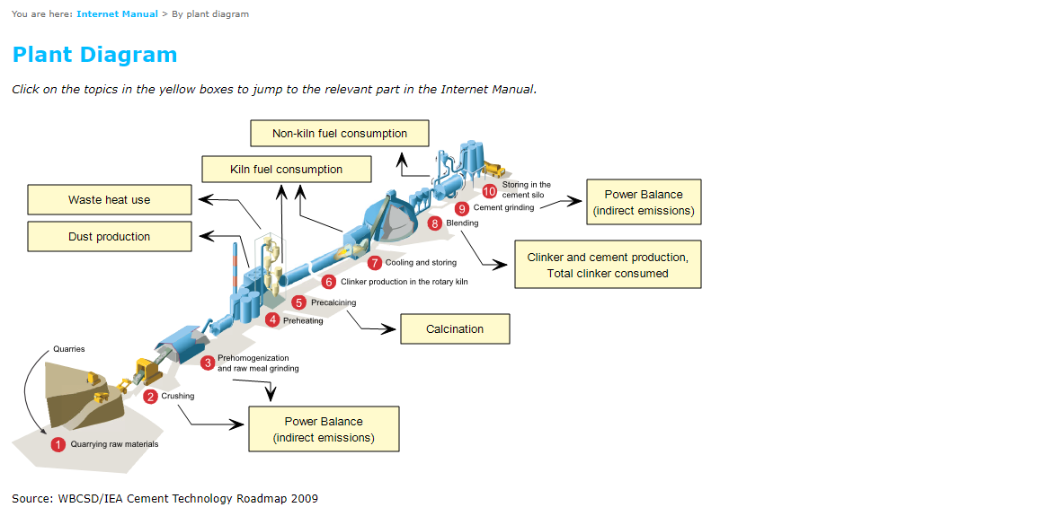
http://www.cementplantsmanufacturers.com/cement-plant-manufacturing-process.html | Worrel et al (2013)
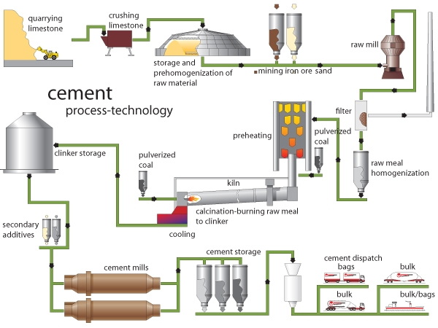
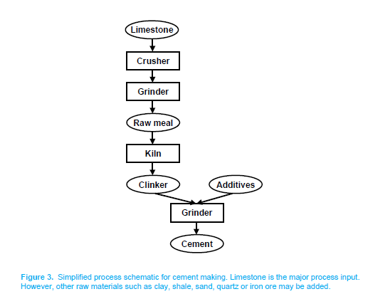

https://www.cement-co2-protocol.org/en/#Internet_Manual/index_plant.htm

ChemExergy
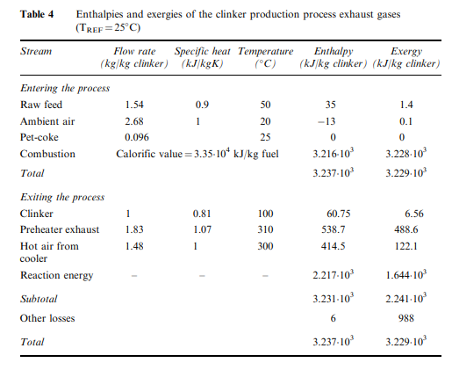
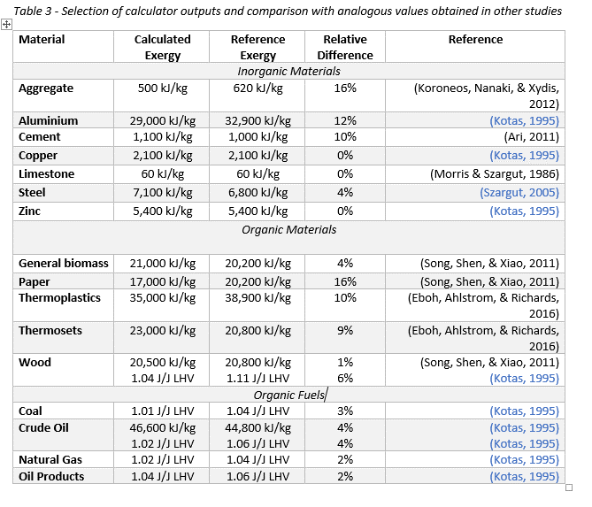
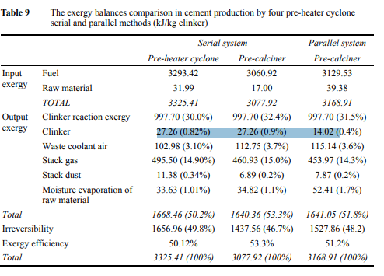
Cement Chemical Exergy [kJ/kg] | Cement Chemical Exergy [GJ/ton] | Michalakakis et al (In publication) - Calculating the Chemical Exergy of Materials | Savas & Kolip (2015) - Comparative energy and exergy analyses of a serial and parallel flow four-stage cyclone pre-calciner cement plant
1100 | 1.1

 |  | Koroneos et al (2005) - Exergy analysis of cement production

PB COMMENTS
Date: 29/01/2021
Country | Energy.type | Last.stage | Method | Machine | Eu.product | Quantity | 1950 | 1951 | 1952 | 1953 | 1954 | 1955 | 1956 | 1957 | 1958 | 1959 | 1960 | 1961 | 1962 | 1963 | 1964 | 1965 | 1966 | 1967 | 1968 | 1969 | 1970 | 1971 | 1972 | 1973 | 1974 | 1975 | 1976 | 1977 | 1978 | 1979 | 1980 | 1981 | 1982 | 1983 | 1984 | 1985 | 1986 | 1987 | 1988 | 1989 | 1990 | 1991 | 1992 | 1993 | 1994 | 1995 | 1996 | 1997 | 1998 | 1999 | 2000 | 2001 | 2002 | 2003 | 2004 | 2005 | 2006 | 2007 | 2008 | 2009 | 2010 | 2011 | 2012 | 2013 | 2014 | 2015 | 2016 | 2017 | 2018 | 2019 | 2020
USA | E | Final | PCM | Clinker kilns | HTH.1000.C | eta.fu | 11.77% | 11.91% | 12.05% | 12.19% | 12.34% | 12.49% | 12.58% | 12.66% | 12.75% | 12.84% | 12.93% | 13.02% | 13.11% | 13.20% | 13.29% | 13.39% | 13.24% | 13.09% | 12.95% | 12.81% | 12.67% | 13.15% | 13.67% | 14.23% | 14.84% | 15.50% | 16.00% | 16.53% | 17.09% | 17.70% | 18.35% | 18.67% | 18.99% | 19.33% | 19.67% | 20.03% | 20.41% | 20.80% | 21.20% | 21.62% | 22.05% | 22.19% | 22.32% | 22.46% | 22.60% | 22.74% | 22.88% | 23.02% | 23.17% | 23.31% | 23.46% | 24.03% | 24.62% | 25.25% | 25.91% | 26.60% | 26.69% | 26.89% | 26.73% | 27.72% | 28.34% | 28.50% | 28.65% | 29.26% | 29.13% | 29.01% | 28.52% | 29.10% | 29.49% | 30.02% | 30.26%
GBR | E | Final | PCM | Clinker kilns | HTH.1000.C | eta.fu | 15.04% | 15.22% | 15.40% | 15.58% | 15.77% | 15.96% | 16.07% | 16.18% | 16.30% | 16.41% | 16.35% | 16.30% | 16.85% | 17.01% | 17.38% | 17.40% | 18.56% | 19.54% | 18.42% | 18.45% | 20.10% | 20.93% | 21.45% | 22.07% | 22.63% | 23.16% | 23.62% | 24.26% | 24.80% | 25.23% | 25.64% | 25.67% | 25.70% | 25.72% | 25.75% | 25.78% | 25.81% | 25.84% | 25.87% | 25.90% | 25.93% | 25.96% | 25.99% | 26.02% | 26.05% | 26.07% | 26.10% | 26.13% | 26.16% | 26.19% | 26.22% | 26.53% | 26.84% | 27.15% | 27.48% | 27.81% | 27.84% | 27.22% | 27.92% | 29.42% | 29.36% | 28.61% | 28.45% | 30.08% | 30.18% | 30.16% | 30.12% | 29.59% | 29.81% | 30.34% | 30.59%
WRLD | E | Final | PCM | Clinker kilns | HTH.1000.C | eta.fu | 14.05% | 14.22% | 14.38% | 14.55% | 14.73% | 14.91% | 15.01% | 15.12% | 15.22% | 15.33% | 15.44% | 15.55% | 15.65% | 15.76% | 15.87% | 15.98% | 15.80% | 15.63% | 15.46% | 15.29% | 15.13% | 15.70% | 16.32% | 16.99% | 17.71% | 18.51% | 19.10% | 19.73% | 20.41% | 21.13% | 21.91% | 22.28% | 22.67% | 23.07% | 23.49% | 23.92% | 24.36% | 24.83% | 25.31% | 25.81% | 26.33% | 26.64% | 26.96% | 27.28% | 27.62% | 27.96% | 28.31% | 28.67% | 29.04% | 29.42% | 29.81% | 29.94% | 30.07% | 30.20% | 30.33% | 30.46% | 30.48% | 30.56% | 30.73% | 31.52% | 31.39% | 31.66% | 32.05% | 32.26% | 32.30% | 32.21% | 32.15% | 32.61% | 32.12% | 32.70% | 32.96%
EUR | E | Final | PCM | Clinker kilns | HTH.1000.C | eta.fu | 16.60% | 16.79% | 16.99% | 17.19% | 17.40% | 17.61% | 17.73% | 17.86% | 17.98% | 18.11% | 18.24% | 18.37% | 18.49% | 18.62% | 18.75% | 18.88% | 18.67% | 18.46% | 18.26% | 18.06% | 17.87% | 18.55% | 19.28% | 20.07% | 20.93% | 21.86% | 22.56% | 23.31% | 24.11% | 24.96% | 25.88% | 26.32% | 26.78% | 27.25% | 27.74% | 28.25% | 28.78% | 29.33% | 29.90% | 30.49% | 31.10% | 31.29% | 31.48% | 31.67% | 31.87% | 32.06% | 32.26% | 32.47% | 32.67% | 32.88% | 33.09% | 33.71% | 33.92% | 35.12% | 35.09% | 36.45% | 37.79% | 37.85% | 38.79% | 39.70% | 39.78% | 39.93% | 40.42% | 41.10% | 42.83% | 43.47% | 43.30% | 42.55% | 43.42% | 44.00% | 44.79%
IND | E | Final | PCM | Clinker kilns | HTH.1000.C | eta.fu | 11.68% | 11.81% | 11.95% | 12.09% | 12.24% | 12.39% | 12.47% | 12.56% | 12.65% | 12.74% | 12.83% | 12.92% | 13.01% | 13.09% | 13.19% | 13.28% | 13.13% | 12.98% | 12.84% | 12.70% | 12.57% | 13.04% | 13.56% | 14.11% | 14.72% | 15.37% | 15.87% | 16.39% | 16.95% | 17.55% | 18.19% | 18.88% | 19.62% | 20.42% | 21.30% | 22.25% | 23.28% | 24.43% | 25.68% | 27.08% | 28.63% | 29.20% | 29.80% | 30.41% | 31.06% | 31.73% | 32.43% | 33.16% | 33.93% | 34.73% | 35.58% | 35.81% | 36.04% | 36.27% | 36.51% | 36.75% | 36.64% | 38.88% | 38.47% | 38.18% | 35.74% | 35.87% | 36.46% | 36.59% | 36.10% | 36.59% | 36.26% | 36.58% | 36.80% | 37.46% | 37.77%
IDN | E | Final | PCM | Clinker kilns | HTH.1000.C | eta.fu | 17.61% | 17.82% | 18.03% | 18.24% | 18.46% | 18.69% | 18.82% | 18.95% | 19.08% | 19.22% | 19.35% | 19.49% | 19.62% | 19.75% | 19.89% | 20.03% | 19.81% | 19.59% | 19.37% | 19.16% | 18.96% | 19.68% | 20.45% | 21.29% | 22.20% | 23.19% | 23.94% | 24.73% | 25.58% | 26.49% | 27.46% | 27.93% | 28.42% | 28.92% | 29.44% | 29.98% | 30.54% | 31.12% | 31.72% | 32.35% | 33.00% | 33.20% | 33.40% | 33.60% | 33.81% | 34.02% | 34.23% | 34.45% | 34.66% | 34.88% | 35.11% | 35.96% | 36.85% | 37.78% | 38.77% | 39.80% | 39.94% | 40.23% | 40.00% | 41.48% | 42.41% | 42.64% | 42.87% | 43.78% | 43.59% | 43.42% | 42.67% | 43.54% | 44.12% | 44.91% | 45.28%
CAN | E | Final | PCM | Clinker kilns | HTH.1000.C | eta.fu | 14.90% | 15.08% | 15.25% | 15.43% | 15.62% | 15.81% | 15.92% | 16.03% | 16.15% | 16.26% | 16.38% | 16.49% | 16.60% | 16.71% | 16.83% | 16.95% | 16.76% | 16.57% | 16.39% | 16.22% | 16.04% | 16.65% | 17.31% | 18.02% | 18.79% | 19.52% | 19.60% | 20.52% | 20.46% | 21.14% | 21.89% | 22.20% | 22.53% | 22.86% | 23.21% | 23.57% | 23.93% | 24.31% | 24.70% | 25.10% | 25.52% | 25.81% | 26.12% | 26.42% | 26.74% | 27.06% | 27.39% | 27.73% | 28.08% | 28.43% | 28.80% | 28.76% | 28.72% | 28.69% | 28.65% | 28.62% | 28.87% | 29.32% | 28.67% | 29.33% | 30.20% | 29.76% | 29.77% | 29.81% | 29.58% | 30.01% | 29.86% | 30.32% | 30.15% | 30.69% | 30.94%
JPN | E | Final | PCM | Clinker kilns | HTH.1000.C | eta.fu | 15.92% | 16.11% | 16.30% | 16.49% | 16.69% | 16.89% | 17.01% | 17.13% | 17.77% | 18.20% | 18.33% | 18.93% | 19.39% | 19.39% | 19.70% | 20.51% | 21.94% | 22.42% | 22.48% | 23.10% | 24.17% | 24.71% | 25.32% | 25.64% | 26.04% | 27.32% | 29.43% | 30.24% | 31.01% | 30.83% | 32.49% | 33.04% | 33.61% | 34.21% | 34.82% | 35.46% | 36.12% | 36.81% | 37.52% | 38.26% | 39.03% | 39.27% | 39.51% | 39.75% | 40.00% | 40.24% | 40.49% | 40.75% | 41.01% | 41.27% | 41.53% | 42.53% | 43.59% | 44.69% | 45.86% | 47.08% | 47.25% | 47.59% | 47.31% | 49.07% | 50.17% | 50.44% | 50.72% | 51.79% | 51.56% | 51.36% | 50.47% | 51.51% | 52.19% | 53.13% | 53.56%
FRA | E | Final | PCM | Clinker kilns | HTH.1000.C | eta.fu | 17.07% | 17.26% | 17.47% | 17.67% | 17.89% | 18.10% | 18.23% | 18.36% | 19.73% | 19.89% | 20.75% | 21.14% | 21.33% | 22.05% | 22.63% | 23.45% | 25.79% | 24.99% | 24.44% | 25.06% | 25.25% | 24.76% | 25.15% | 25.32% | 25.25% | 26.40% | 27.35% | 27.92% | 28.92% | 29.40% | 30.58% | 30.59% | 30.60% | 30.61% | 30.61% | 30.62% | 30.63% | 30.64% | 30.64% | 30.65% | 30.66% | 30.65% | 30.63% | 30.62% | 30.61% | 30.60% | 30.59% | 30.57% | 30.56% | 30.55% | 30.54% | 30.41% | 30.29% | 30.16% | 30.04% | 29.92% | 29.95% | 29.74% | 29.51% | 29.36% | 29.05% | 29.61% | 29.06% | 28.69% | 28.77% | 28.67% | 28.57% | 28.57% | 28.95% | 29.47% | 29.71%
DEU | E | Final | PCM | Clinker kilns | HTH.1000.C | eta.fu | 19.76% | 19.99% | 20.22% | 20.46% | 20.71% | 20.96% | 21.11% | 21.25% | 21.40% | 21.56% | 21.71% | 22.46% | 23.10% | 23.83% | 24.44% | 25.52% | 27.86% | 27.98% | 28.25% | 28.46% | 29.93% | 29.93% | 29.93% | 27.95% | 29.73% | 30.17% | 31.08% | 29.73% | 30.31% | 31.41% | 32.49% | 32.18% | 31.88% | 31.59% | 31.30% | 31.01% | 30.73% | 30.46% | 30.19% | 29.93% | 29.67% | 29.92% | 30.17% | 30.43% | 30.70% | 30.96% | 31.24% | 31.51% | 31.80% | 32.08% | 32.38% | 31.92% | 31.48% | 31.05% | 30.63% | 30.23% | 30.71% | 30.60% | 30.38% | 30.17% | 29.79% | 29.89% | 29.83% | 29.68% | 29.74% | 29.92% | 29.80% | 29.66% | 29.82% | 30.35% | 30.59%

 | PB comments |  |  |  |  |  |  |  |  |  |  |  |  |  |  |  |  |  | ZM Comments
 | 1 | EUR should be EU-28 (see yellow tab) but its incorrectly taken from PT. that’s why there is a jump c. 2012, there must have been a PT closure of a cement plant. |  |  |  |  |  |  |  |  |  |  |  |  |  |  |  |  | Fixed
 | 2 | change the data on this sheet to 1960 start point |  |  |  |  |  |  |  |  |  |  |  |  |  |  |  |  | Done
 | 3 | need to add REFS tab too
 | 4 | Taylor 2006 - theoretical min = 1.76GJ/tes vs 1.12 for DOE. Take average? |  |  |  |  |  |  |  |  |  |  |  |  |  |  |  |  | Using DOE as I'm accepting all DOE benchmarking reports as the standard
 | 5 | phi - is this set to 1.00 and then 100'C penatly applied elsewhere? |  |  |  |  |  |  |  |  |  |  |  |  |  |  |  |  | Removed

clinker kilns

